Q #11
RF Mack Chain Ladder - 11 |  |  |  |  |  |  | Solution ->

 | Given the following for an insurer as of December 31, 2012:

 | AY | Cumulative Incurred Losses ($)
 |  | 12 mo. | 24 mo. | 36 mo. | 48 mo. | 60 mo.
 | 2008 | 300 | 500 | 620 | 700 | 735
 | 2009 | 600 | 1,000 | 1,200 | 1300
 | 2010 | 800 | 1,400 | 1,700
 | 2011 | 1,000 | 1,500
 | 2012 | 1,400

 | • Assume age-to-age factors are determined by the standard chain-ladder method
 | • Assume reserves follow a lognormal distribution
 | • The 90th percentile of the standard normal distribution is: |  |  |  |  | 1.28

$${\hat{⍺}}_{k}^{2}$$
$$1≤k≤4.$$
 | a.
 | Calculate for

 | b.
 | Calculate the standard error of R4, the AY 2011 reserve.

 | c.
 | Construct an 80% confidence interval for R4, the AY 2011 reserve.

 | d.
 | Construct an 80% confidence interval for the AY 2011 Ultimate Loss Estimate.

 | e.
 | Construct a confidence interval for the AY 2011 Ultimate Loss Estimate using empirical limits.

SHOW ALL WORK.

Q #12
RF Mack Chain Ladder - 12 |  | Solution ->

 | Given the following graphs:

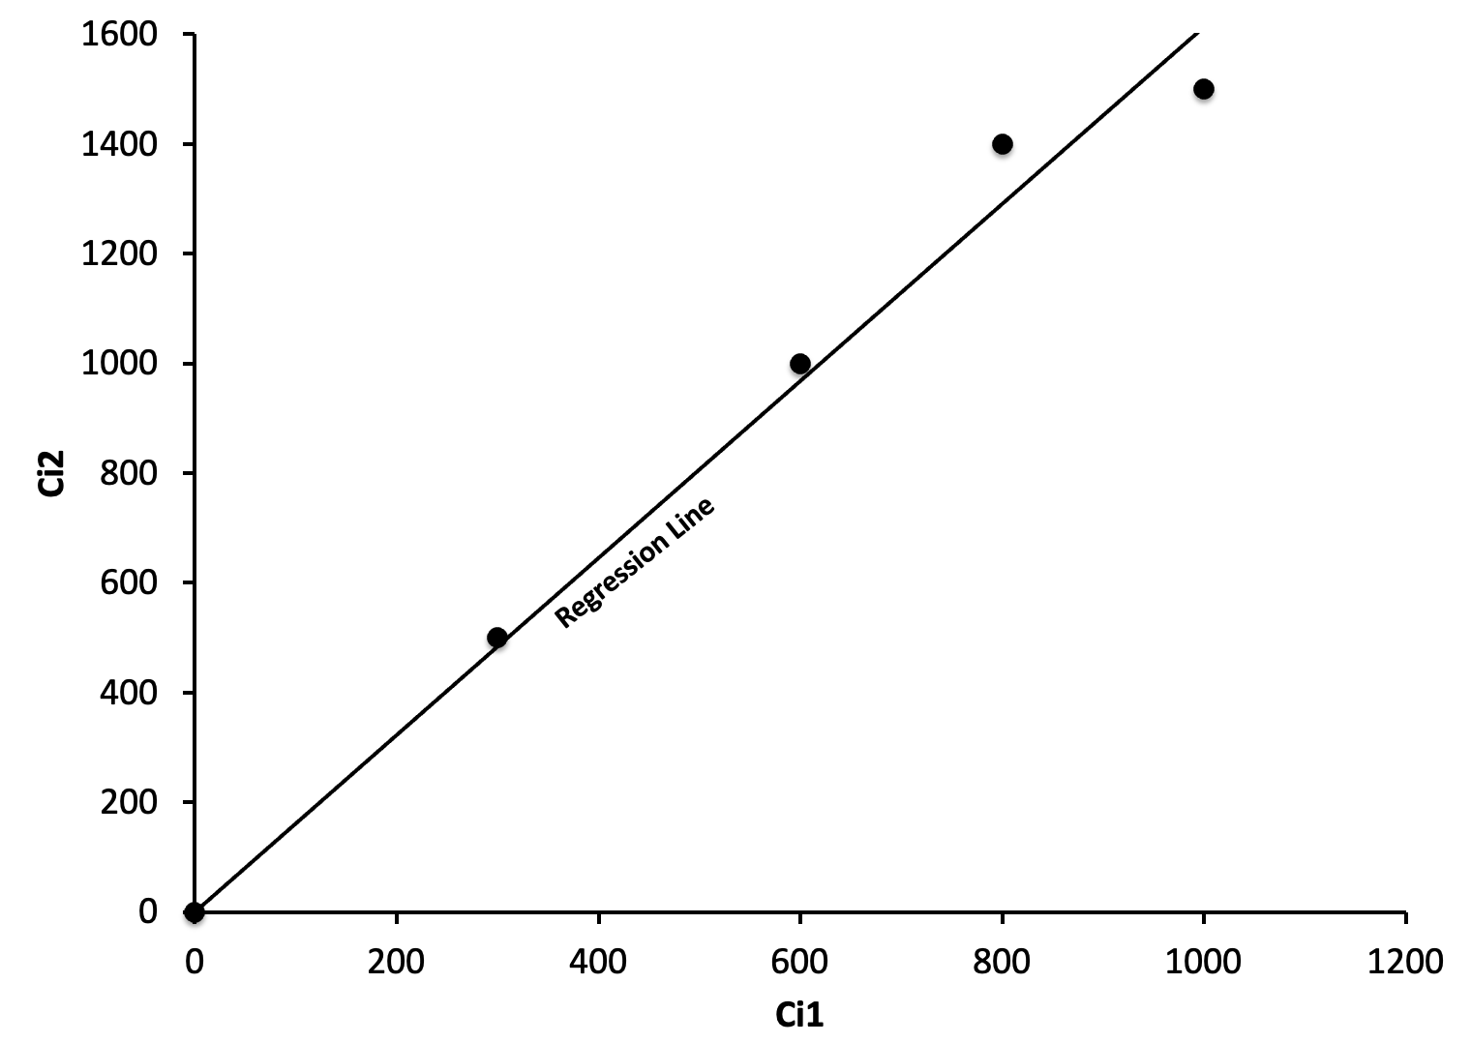

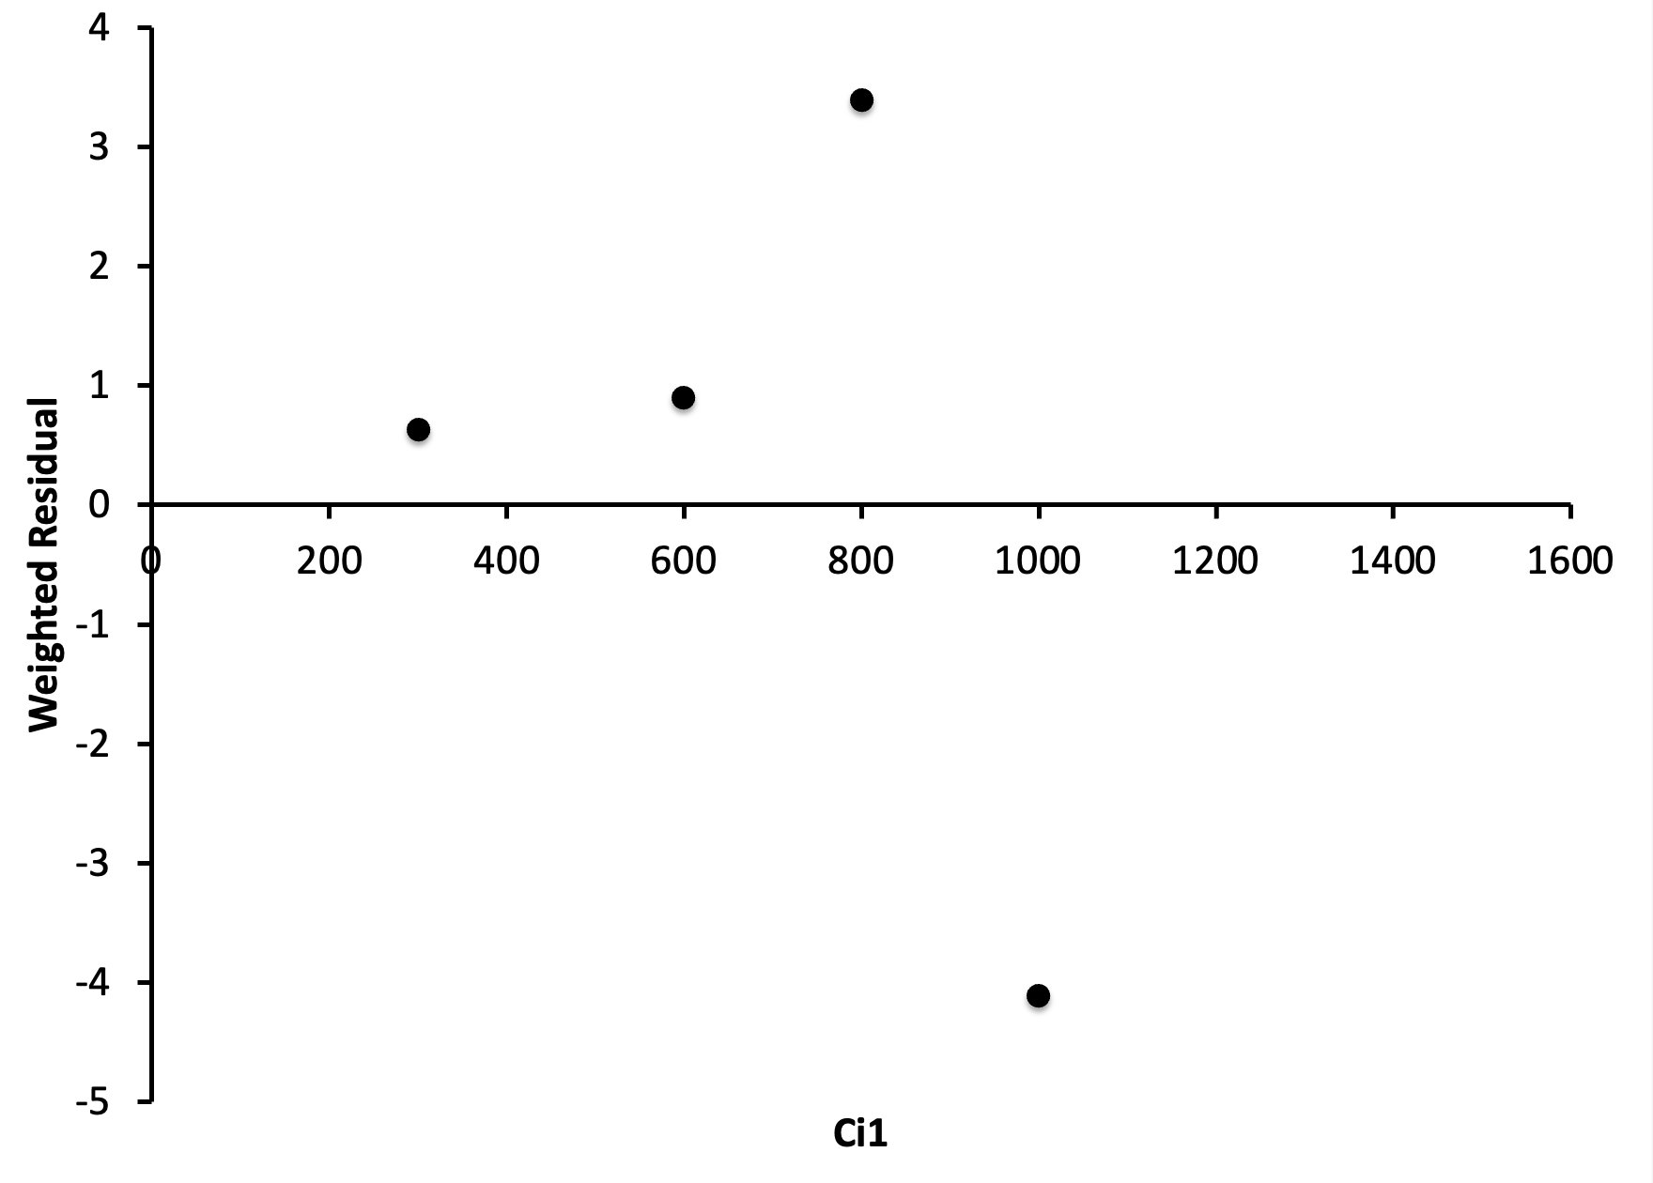

 | • The fitted values and weighted residuals are based on the standard chain-ladder development factors

 | Comment on whether or not the data satisfies Mack's first and third assumption for k=1.

SHOW ALL WORK.

2014 #2
 | Source: | Spring 2014 | Exam 7 | Q #2 | Solution ->
 | Points: | 1.00

 |  | Given the following output from a company's reserving software:

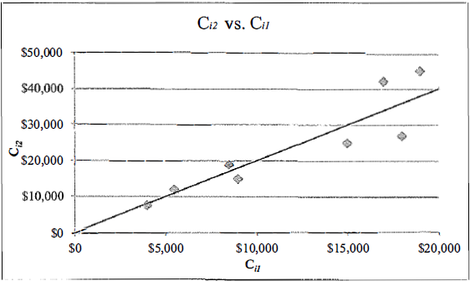

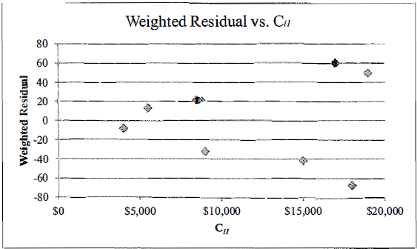

 |  | • Ci1: Loss evaluated at 12 months for accident year i ($000)
 |  | • Ci2: Loss evaluated at 24 months for accident year i ($000)

 |  | Based on the two charts above, explain whether the chain-ladder method is appropriate for
 |  | estimating ultimate loss.

SHOW ALL WORK.

2017 #3
 | Source: | Spring 2017 | Exam 7 | Q #3 |  | Solution ->
 | Points: | 2.00

 |  | Given the following information:

 |  |  | Cumulative Reported Loss ($000)
 |  |  | Accident | 12 | 24
 |  |  | Year | Months | Months
 |  |  | 2011 | 1,000 | 1,950
 |  |  | 2012 | 1,200 | 2,650
 |  |  | 2013 | 1,800 | 3,500
 |  |  | 2014 | 1,500 | 3,300
 |  |  | 2015 | 2,000 | 4,100
 |  |  | 2016 | 2,400

$Var(C_{i,k+1}|C_{i1}{,…,C}_{ik}$)
 |  | • |  | is constant for all i where Ci,k is the accumulated total claims
 |  | amount of accident year i up to development year k.

a. | 1 point | Calculate the age-to-age factor for 12 to 24 months using the most appropriate formula
 |  | according to Mack.

b. | 1 point | Plot the residuals against the cumulative reported loss as of 12 months and interpret the
 |  | results.

SHOW ALL WORK.

2019 #7
 | Source: | Spring 2019 | Exam 7 | Q #7 |  |  |  |  | Solution ->
 | Points: | 3.25

 |  | Given the following information for a company as of December 31, 2018:

 |  | Cumulative Case Incurred Losses ($000,000) as of (months):
 |  | Accident Year | 12 | 24 | 36 | 48 | 60 | 72
 |  | 2013 | 3,384 | 4,282 | 4,813 | 5,408 | 5,394 | 5,362
 |  | 2014 | 3,499 | 4,438 | 5,646 | 5,532 | 5,512
 |  | 2015 | 3,483 | 5,566 | 5,539 | 5,398
 |  | 2016 | 6,502 | 6,197 | 6,222
 |  | 2017 | 6,656 | 6,658
 |  | 2018 | 6,595

 |  | Case Incurred Loss Development Factor as of (months):
 |  | Accident Year | 12-24 | 24-36 | 36-48 | 48-60 | 60-72
 |  | 2013 | 1.265 | 1.124 | 1.124 | 0.997 | 0.994
 |  | 2014 | 1.268 | 1.272 | 0.980 | 0.996
 |  | 2015 | 1.598 | 0.995 | 0.975
 |  | 2016 | 0.953 | 1.004
 |  | 2017 | 1.000

a. | 1.75 points | Test the null-hypothesis that there are no calendar year influences in the data using
 |  | Mack's methodology assuming an error probability of 5% where:

 |  | • E[Z] = | 3.25
 |  | • Var(Z) = | 1.06
 |  | • The 97.5th percentile of the Standard Normal distribution is |  |  |  |  | 1.96

b. | 1.5 points | The graph below shows the weighted residuals of case incurred losses for maturities of
 |  | 24, 36, and 48 months.

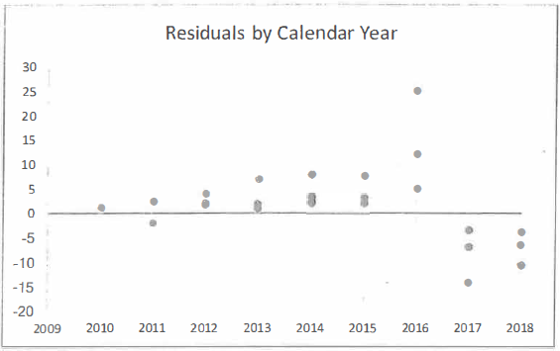

 |  | Discuss whether the results above could be explained by each of the following:

 |  | i. Sustained increase in calendar year trend rate in 2016.
 |  | ii. Increase in case reserve adequacy in 2016.
 |  | iii. Acceleration of loss payment in 2016.

SHOW ALL WORK.

Essay Problems
RF Mack - Essay Problems |  | Solutions ->

 | Question #1

$${\hat{⍺}}_{k}^{2}$$
$$⍺_{I−1}$$
$$⍺_{I−1}$$
 | The formula for does not provide an estimator for . Provide three options for .

 | Question #2

 | a.
 | Briefly describe two problems with using the normal distribution as an approximation to the true distribution of R.

 | b.
 | Identify an alternative distribution for R that avoids these problems.

 | Question #3

$$C_{ik}.$$
 | a.
 | Provide three different variance assumptions for

$$f_{k}$$
 | b.
 | For each variance assumption, provide the formula for the corresponding estimator for and briefly describe the estimator in words.

$$f_{k}$$
 | c.
 | Describe a graphical variance test that can be employed in order to determine the appropriate estimator to use.

 | Question #4

$$C_{ik}$$
 | a.
 | The first implicit assumption underlying the chain-ladder method states that information contained in cannot be augmented by using other than . Describe a major consequence of this assumption. In addition, briefly describe a procedure for testing this assumption.
$$C_{i,I+1−i}$$

 | b.
 | The second implicit assumption underlying the chain-ladder method states that accident years are independent. Describe a major consequence of this assumption. In addition, briefly describe a procedure for testing this assumption.

 | Question #5

 | a.
 | Briefly describe why the sum of the squared error for the overall reserve is not equal to the sum of the individual accident year squared standard errors.

 | b.
 | Briefly describe the allocation procedure Mack uses to allocate the confidence interval for the overall reserve to confidence intervals for each individual accident year reserve.

